Screens - TA1 - TC1

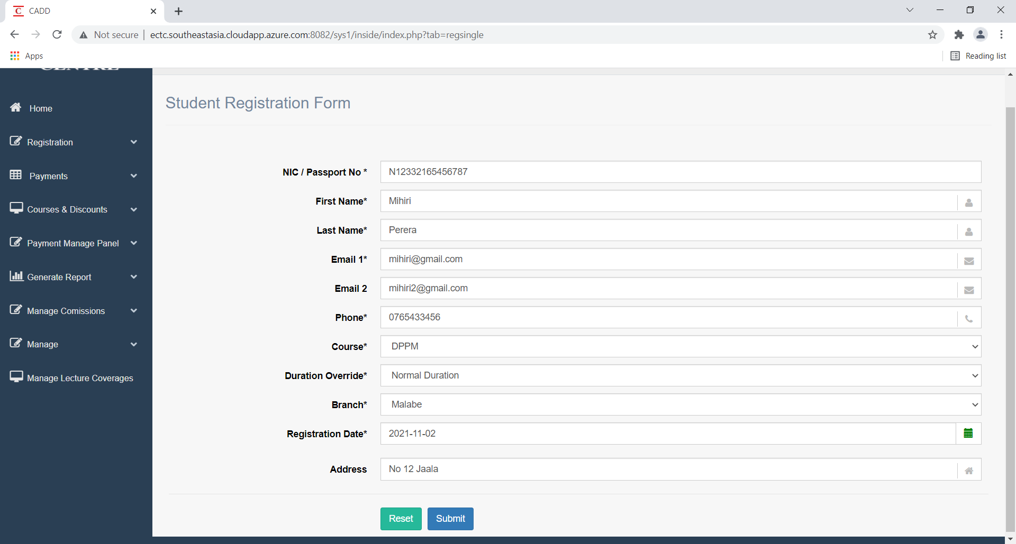

1. Student Registration - Allowing to add the Passport number instead of NIC

Screens | Test Results
Test case 1
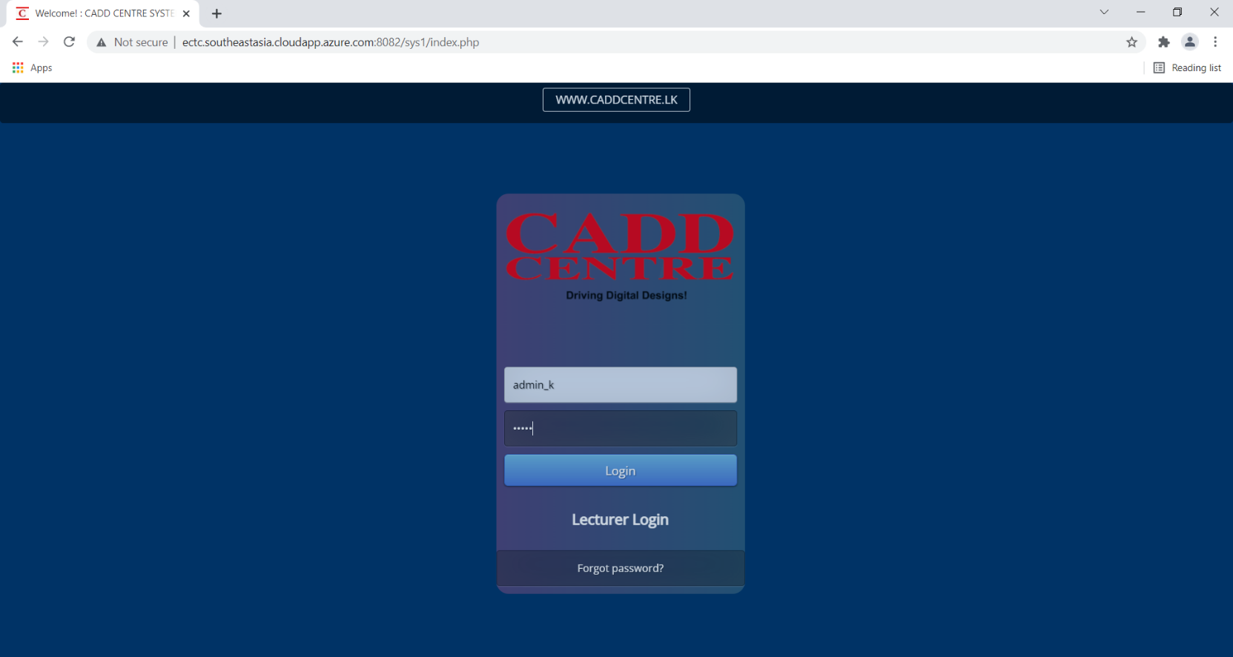 | Pass

Screens - TA1 - TC2

1. Student Registration - Allowing to add the Passport number instead of NIC

Screens | Test Results
Test case 2
 | Fail

Screens - TA1 - TC3
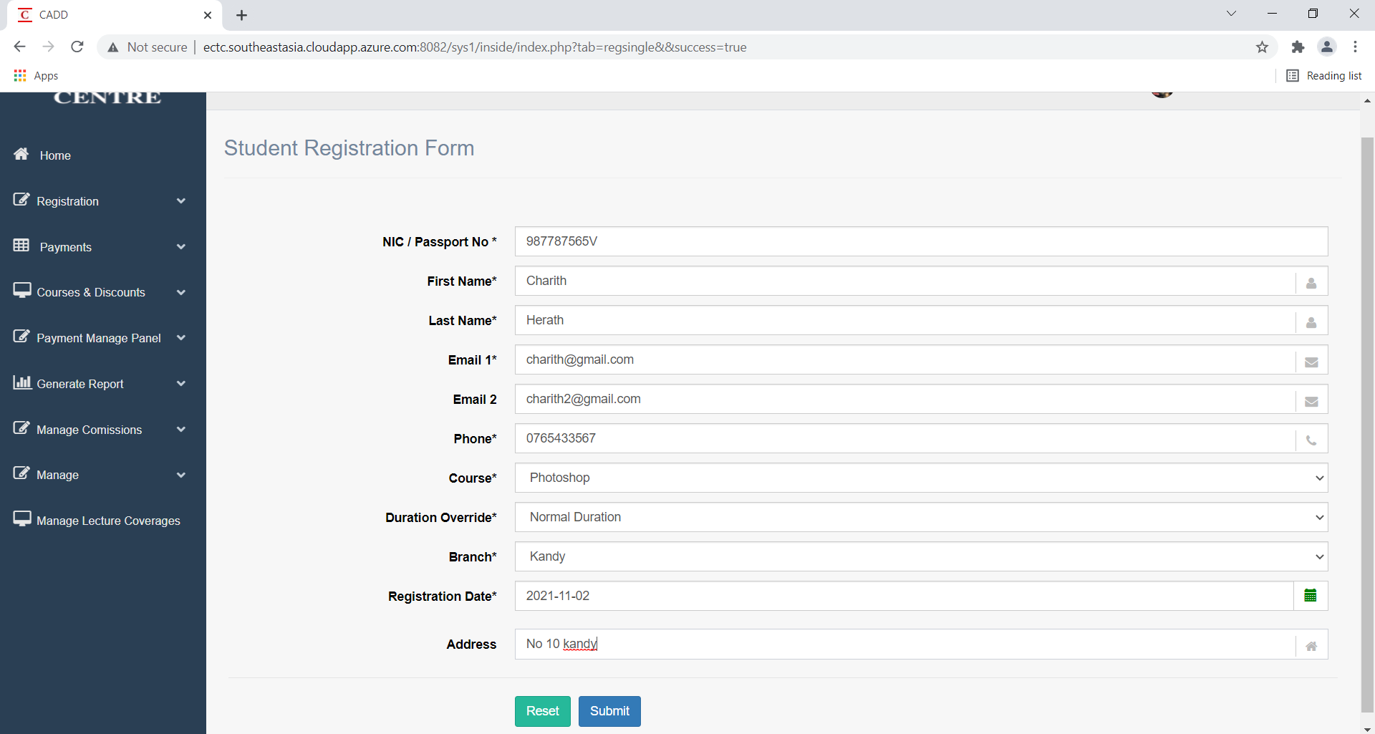
1. Student Registration - Allowing to add the Passport number instead of NIC

Screens | Test Results
Test case 3
 | Pass

